Calculations
Revenue Growth

Industry |  | Disney |  |  | Netflix |  |  | Comcast |  |  | Viacom
 |  | 2017-2018 | 2018-2019 |  | 2017-2018 | 2018-2019 |  | 2017-2018 | 2018-2019 |  | 2017-2018 | 2018-2019
4.3% |  | 7.79% | 17.05% |  | 35.08% | 19.51% |  | 11.15% | 14.69% |  | -2.41% | -0.81%

 | Financial Performance Analysis
 |  | Disney |  |  | Netflix |  |  |  |  | Comcast |  |  | Viacom
 |  | 2017 | 2018 | 2019 |  | 2017 | 2018 | 2019 |  | 2017 | 2018 | 2019 | 2017 | 2018 | 2019
Measures profitability, what percentage of revenue is left after deducting the cost of goods sold | Gross Profit Margin | 45.24% | 44.94% | 39.60% |  | 31.30% | 36.89% | 37.98% |  | 70.18% | 68.58% | 68.27% | 45.02% | 46.85% | 47.34%
Measures profitability, what percentage of revenue is left after deducting the cost of goods sold and other business costs (operating expenses, etc.) | Net Profit Margin | 16.29% | 21.20% | 15.89% |  | 3.52% | 7.67% | 7.49% |  | 8.93% | 12.41% | 11.45% | 14.13% | 13.28% | 12.06%
Business operating liquidity which can be used to fund operations | Working Capital | (934.0) | (30.0) | 1,945.0 |  | 2,203.7 | 3,206.8 | (1,930.1) |  | (5,650.0) | (5,755.0) | (3,666.0) | 2,534.0 | 2,025.0 | 1,888.0
Measures the ability of the business to pay its short-term obligations with its current assets and liabilities | Current Ratio | 0.94 | 1.00 | 1.07 |  | 1.40 | 1.49 | 0.73 |  | 0.74 | 0.79 | 0.86 | 1.68 | 1.50 | 1.49
Measures the ability of the business to pay its short-term obligations without taking into account some assets, like the inventory, which cannot wasily be turned into cash | Quick Ratio | 0.75 | 0.80 | 0.80 |  | 0.52 | 0.58 | 0.68 |  | 0.56 | 0.54 | 0.55 | 1.29 | 1.16 | 1.17
Refers to the use of debt to buy assets | Leverage | 2.08 | 1.83 | 1.89 |  | 5.31 | 4.96 | 4.51 |  | 2.65 | 3.41 | 3.18 | 3.72 | 3.08 | 2.70
Measures the ability of the business to cover all its debt | Debt-To-Equity Ratio | 0.47 | 0.34 | 0.42 |  | 1.81 | 1.98 | 1.81 |  | 0.84 | 1.45 | 1.24 | 1.74 | 1.23 | 0.99
Measures how the company uses its assets to generate revenue | Asset Turnover | 0.58 | 0.60 | 0.36 |  | 0.61 | 0.61 | 0.61 |  | 0.45 | 0.38 | 0.42 | 0.56 | 0.54 | 0.54
Measures how well the business can use equity investments to earn profit for investors | Return On Equity | 21.7% | 25.8% | 12.4% |  | 11.5% | 23.1% | 20.6% |  | 11.1% | 16.4% | 15.9% | 31.1% | 23.2% | 18.3%
Measures how the company is managing its assets to earn more net profit | Return On Assets | 9.4% | 12.8% | 5.7% |  | 2.2% | 4.7% | 4.6% |  | 4.1% | 4.7% | 4.8% | 7.9% | 7.2% | 6.5%

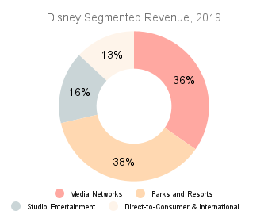
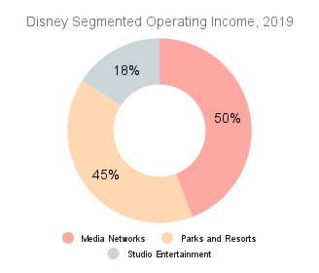
Disney Segmented Revenue and Operating Income, year-ended September 30, 2019 ($ millions)
Media Networks | 24,827 | 36%
Parks and Resorts | 26,225 | 38%
Studio Entertainment | 11,127 | 16%
Direct-to-Consumer & International | 9,349 | 13%
Eliminations | (1,957) | -3%
Total | 69,571

Media Networks | 7,479 | 50%
Parks and Resorts | 6,758 | 45%
Studio Entertainment | 2,686 | 18%
Direct-to-Consumer & International | (1,814) | -12%
Eliminations | (241) | -2%
Total | 14,868

 | Operating Margin (Operating Income / Revenue)
Media Networks | 30.12%
Parks and Resorts | 25.77%
Studio Entertainment | 24.14%
Direct-to-Consumer & International | -19.40%
Eliminations | 12.31%
Total | 21.37%

Stock Performance
